Images
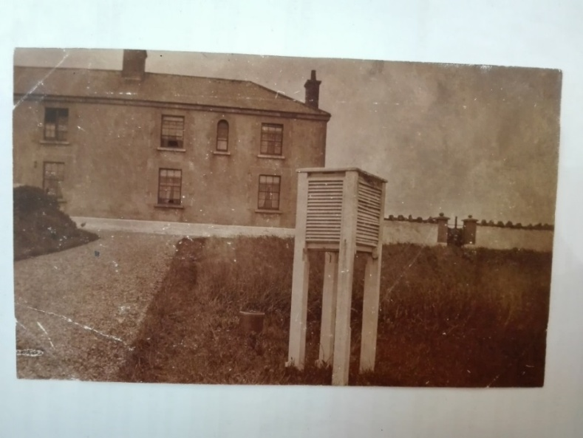

Figure 1: Stevenson thermometer screen at Blacksod Point telegraphic reporting station on 25 July 1911, looking SW.
Source: National Meteorological Archive, Met Office.

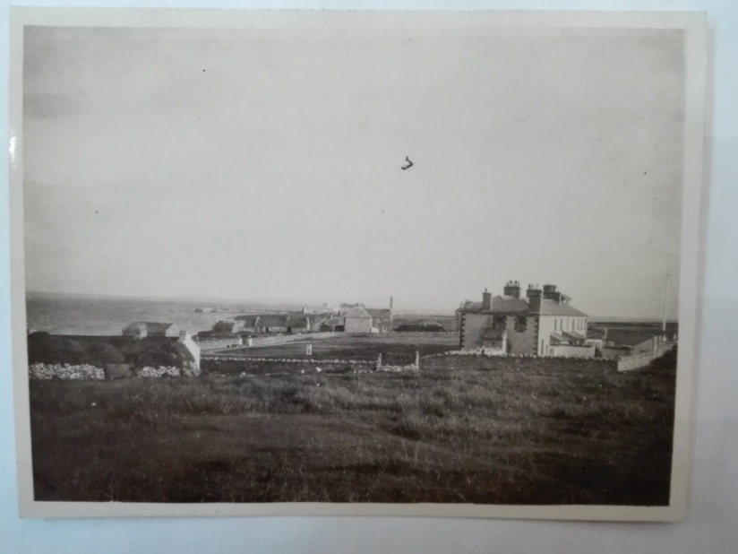

Figure 2: Stevenson thermometer screen at Blacksod Point telegraphic reporting station and its surroundings in October 1925. Looking SE.
Source: National Meteorological Archive, Met Office.

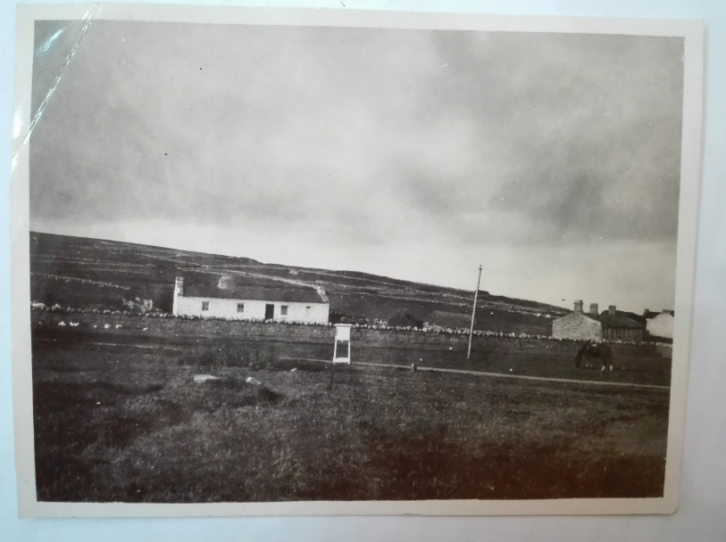

Figure 3: Stevenson thermometer screen at Blacksod Point telegraphic reporting station in 1925.
Source: National Meteorological Archive, Met Office.

